1. Title Page
[Instacart Grocery Basket ]

Project Name: Instacart Grocery Basket Analysis
Date: 03 June 2023
Analyst Name: Sanja Kesic

Contents:
Population Flow
Consistency checks
Wrangling steps
Column derivations
Visualizations
Recommendations

Data Citation:
Customer data, as well as the "prices" column in the products data set, were both fabricated for the purpose of this project.
“The Instacart Online Grocery Shopping Dataset 2017”, Accessed from www.instacart.com/datasets/grocery-shopping-2017 via Kaggle on [date].

2. Population Flow
Title page

Population flow

Exclusion flag
Condition: max_order < 5
Obervations to be removed: 1,440,295
Final total count of ords_prods_customs_all: 30,964,564

Orders_products_combined
Orders_products_merged
Orders_products_all

Total:32,404,859
Total: 32,434,489
Total:32,404,859

1.) The grey boxes in the first row of the population flow represent the original data sets as they were when you downloaded them. In the Total fields you need to add the count of the rows when you imported the data set into Jupyter.
2.) The second row of boxes (coloured) represents the data sets after you manipulated them, e.g., removed missing values and duplicates. In the Total fields you need to add the count of the rows after conducting these operations. This offers a visual oveview of how the data flows throughout the data consistency checks.
3.) The third row, where also the arrows are coloured, represents the merges you performed between the datasets. In the Total fields you need to add the count of the rows in the merged datasets, so that you end up with the final dataset (in the red box). Keep in mind the final dataset should be without exclusions (based on the exclusion flag).

3. Consistency checks
 |  |  |  | Title page
Consistency checks

Dataset | Missing values | Missing values treatment | Duplicates
orders | 206,209 missing values in 'days_since_prior_order' | Nothing was changed as they are valuable place markers. | N/A
products | 16 misiving values the "product name" | removed from the column | 5 removed
 | Outlier values upward of 9k & 14k were removed due to skew effects. | 5,127 were nullified (NaNs).

orders_products_prior | N/A |  | N/A
customers | N/A |  | N/A

4. Wrangling steps
 |  |  |  | Title page
Wrangling steps

Columns dropped | Columns renamed | Columns' type changed | Comment/Reason
 |  | All int64 changed to int32 | Memory errors
 |  | All float64 to float16 | Memory errors
eval_set |  |  | Unneeded column
_merge |  |  | Redundant, needed to merge again
Unnamed X, or Y |  |  | Not enough information to be identifiable

5. Column derivations
 |  |  |  |  | Title page

Column derivations and aggregations

In this tab you should add tables below that the frequences of flags/label variables that you produced after deriving them. NB: don't do this for continuous variables, only for flags.
Dataset | New column | Column/s it was derived from | Conditions | Frequency
df_ords_prods_merged | Price_label | prices | prices <= 5 ": Low-range product" | 10126321
 |  |  | 5 < prices <= 15: "Mid-range product" | 21860860
 |  |  | prices > 15: "High-range product" | 417678
 | busiest_day | orders_dow | if 0 (Saturday): "Bussiest day" | 6204182
 |  |  | if 4 (Wednesday): "Least busy" | 3783802
 |  |  | else: "Regularly busy" | 22416875
 | busiest_days | orders_dow | if 0 (Saturday) or 1 (Sunday): "Bussiest days" | 11864412
 |  |  | if 3 (Tuesday) or 4 (Wednesday): "Slowest days" | 7624336
 |  |  | else: "Regularly busy" | 12916111
 | busiest_period_of_day | order_military_time | 9 - 16 h: "Most orders" | 21118071
 |  |  | 23 - 6h: "Fewest orders" | 1289137
 |  |  | else: "Average orders" | 9997651
 | Max_order | order_number & user_id | Dataframe grouped by "user_id" and "order_number" transformed into max of "order_number"
 | Loyalty_flag | max_order | max_order > 40: "Loyal customer" | 10284093
 |  |  | 10 < max_order <= 40: "Regular customer" | 15876776
 |  |  | max_order <= 10: "New customer" | 6243990
 | mean_price | prices & user_id | Dataframe grouped by "user_id" and "prices" transformed into mean of "prices"
 | Spending_flag | mean_price | avg_price < 10: "Low spender" | 31770614
 |  |  | avg_price >= 10: "High spender" | 634245
 | Median_frequency | days_since_prior_order | Dataframe grouped by "user_id" and "days_since_prior_order" transformed into median of "days_since_prior_order"
 | frequency_flag | median_frequency | median_frequency > 20: "Non-frequent customer" | 3636437
 |  |  | 10 < median_frequency <= 20: "Regular customer" | 7208564
 |  |  | median_frequency <= 10: "Frequent customer" | 21559853
instacart_final | Region | State | "Northeast" | 5722736
 |  |  | "Midwest" | 7597325
 |  |  | "South" | 10791885
 |  |  | "West" | 8292913
 | order_flag | Max_order | Max_order < 5: "Low=activity customer" | 1440295
 |  |  | Max_order >= 5: "High=activity customer" | 30964564
 | Age_profile | Age | Age equal or less than 40 = Young | Middle-aged 12159729 Young 11670046 Senior 8575084
 |  |  | Age between 40 and 65 = Middle-aged
 |  |  | Age equal to or greater than 65 = Senior

 | Income_profile | Income | Income < 75000: "Low-income"
 |  |  | 75000 <= Income < 125000: "Mid-income" | Mid 13331136 Low 10442766 High 8630957
 |  |  | 125000 <= Income < 175000: "High-income"

 | Diet | Department_ID | #vegetarian diet excludes meat (all departments except 12) | Nonveg 23762619 Vegetarian 8258813 Vegan 38342
 |  |  | #vegan diet excludes meat and dairy products (all departments except 12 and 16), all else follow non vegetarian
 | Pet_profile | Department_ID | if department [7] appears then has pet, if count for [4] = 0 then does not have pet. | No pet 28876718 Has pet 3528141

 | Alcohol profile | Department ID | if department [4] appears then consumes alcohol, if count for [4] = 0 then does not drink. | Does not drink 29991046 Consumes alcohol 2413813
 | Family status | n_dependants | n_dependants' >= 1 than has 'dependants', otherwise no. | Has dependants 24307356 No dependants 8097503

6. Visualizations
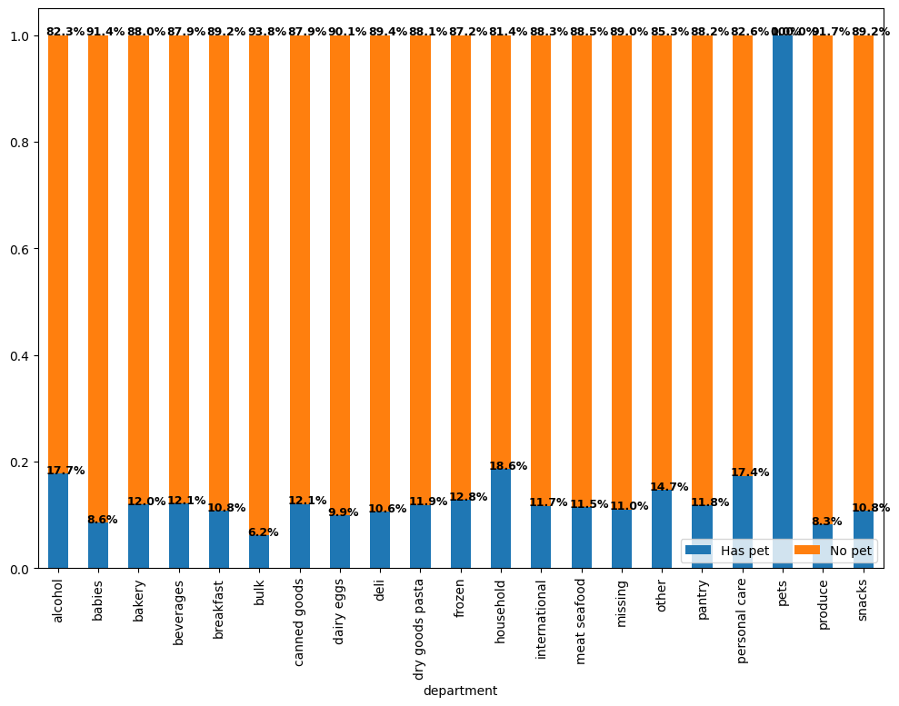
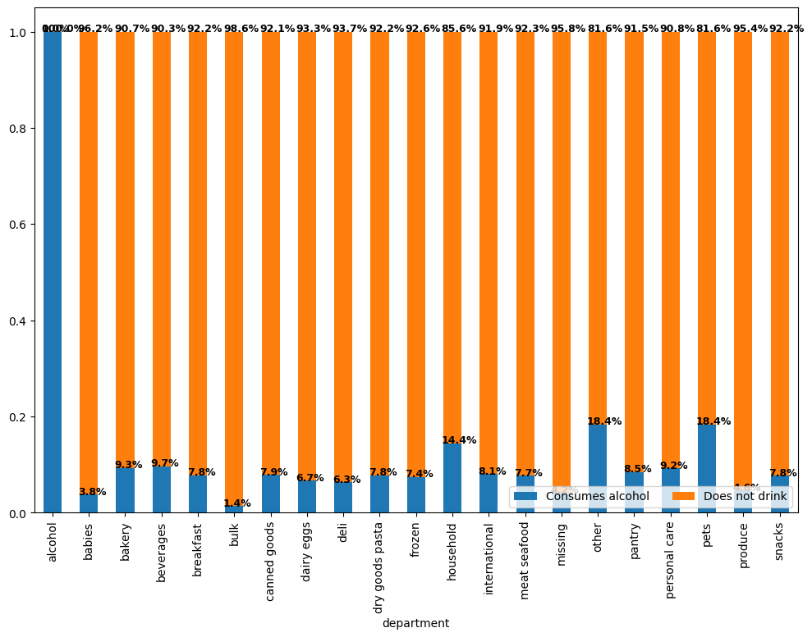
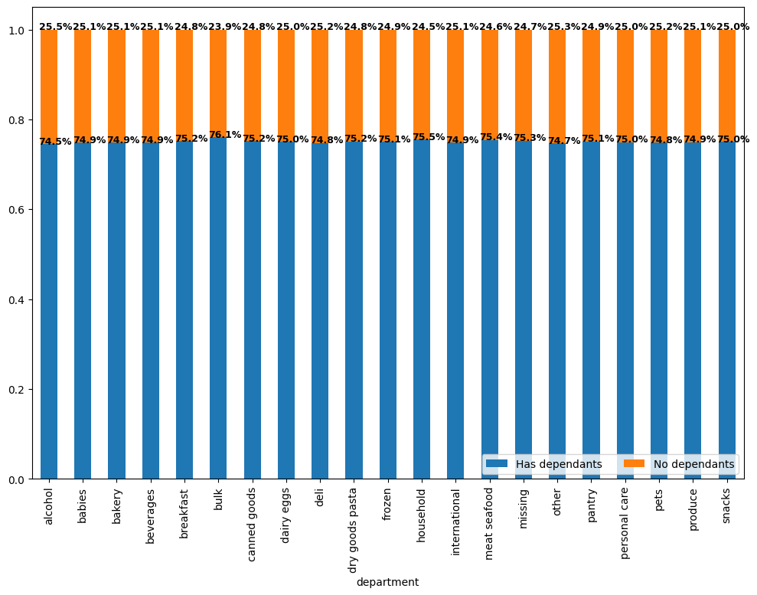
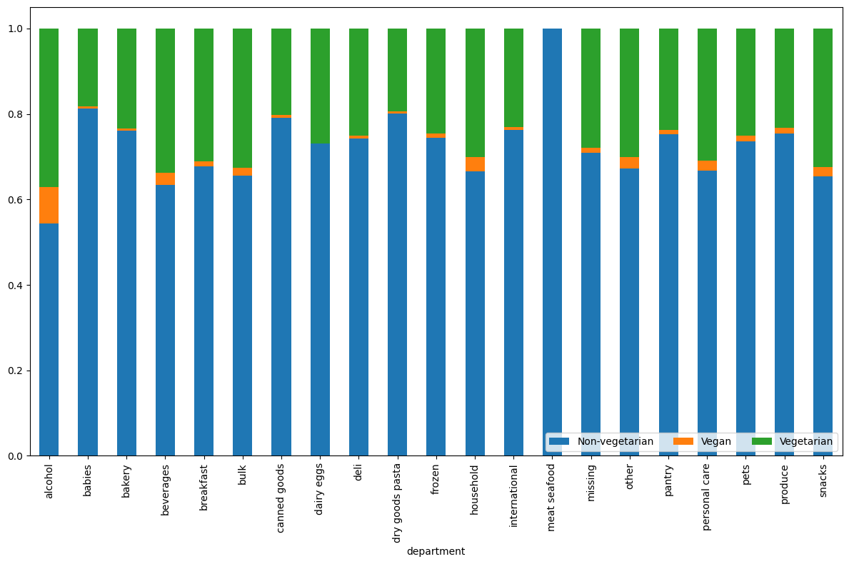
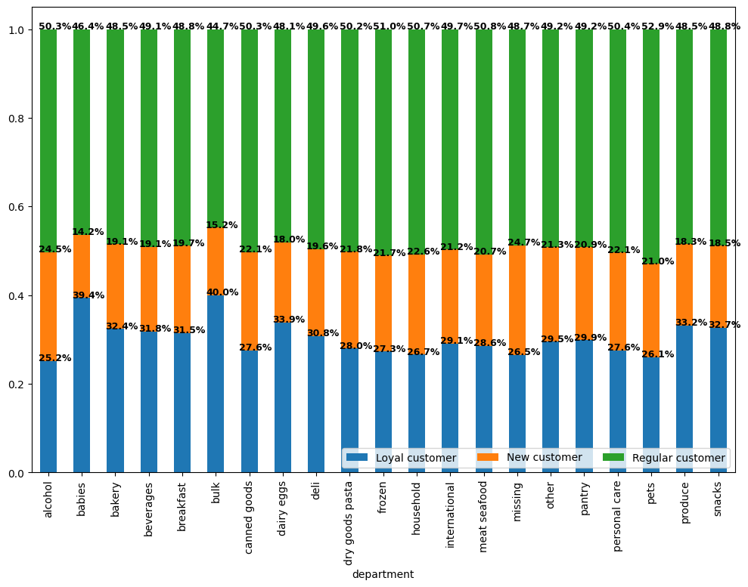
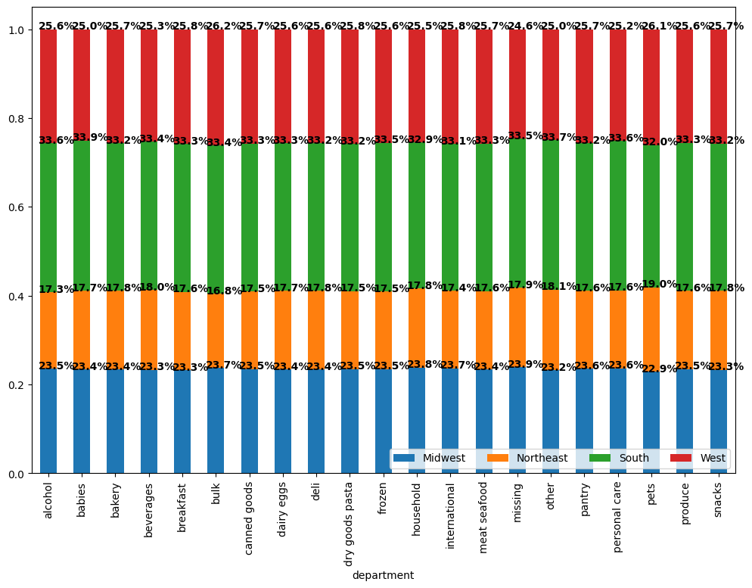
Visualisations

In this tab you should include all the visualtions from Exercises 4.9 and 4.10, alongside the questions from the project brief that they answer. Include any commentary on the relationship between different variables.

Key Questions:

1. What the busiest days of the week and hours of the day are?

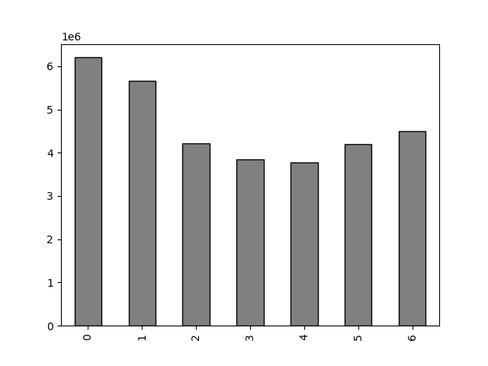


This bar chart represents the number of orders (y-axis) by the day of the week (x-axis).
Each day corresponds to a number, as follows:
0 = Saturday
1 = Sunday
2 = Monday
3 = Tuesday
4 = Wednesday
5 = Thursday
6 = Friday
This is an ordered chart.
We can observe that Friday, Saturday and Sunday are the busiest days of the week, where Saturday is being the most busiest day.
Wednesday is the least busy day, buy a little under 50%.
We can conclude that the weekend is the time of the week with the most orders.

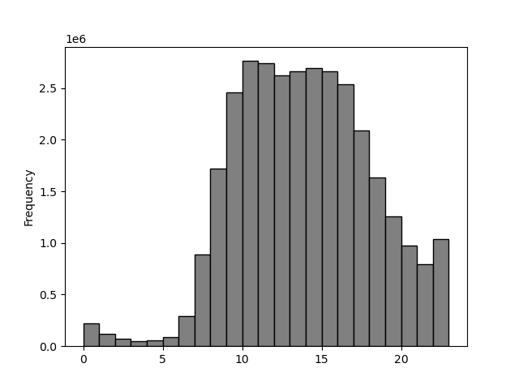


This histogram demostrates the frequency of orders (y-axis) by hour of the day (x-axis). The hours of the day are numbered as 24 hours clock in milltary time.
It is easily visible that the busiest time of the day is between 10:00 and 15:00 military time. They are nearly non existant at the beginning of the day and gradually die down from the peak.

2. Are there particular times of the day when people spend the most money?

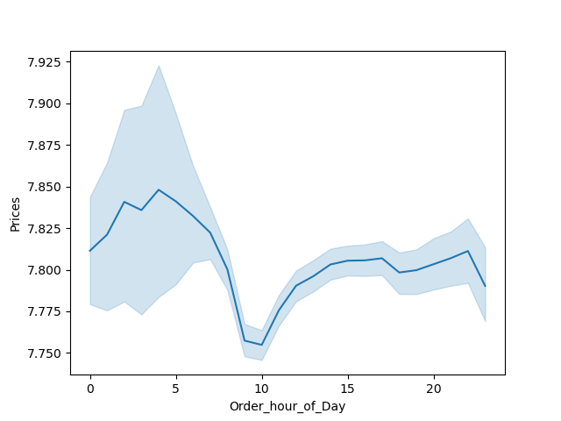

This line chart represents the average price of ordered item (y-axis) by order hour of the day (x-axis). The hours of the day are numbered as 24 hours clock in military time.
Prices remain relatively consistent throughout the day with little variability.

order_military_time

3. Marketing and sales want to use simpler price range groupings to help direct their efforts.

The x axis indicates the number of items ordered in millions and the y axis indicates the range of the product.
Mid-range products are by far the most ordered product.
The high-range products are the least ordered products.
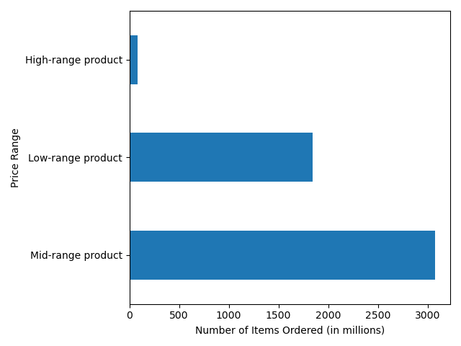

4. Are there certain types of products that are more popular than others?

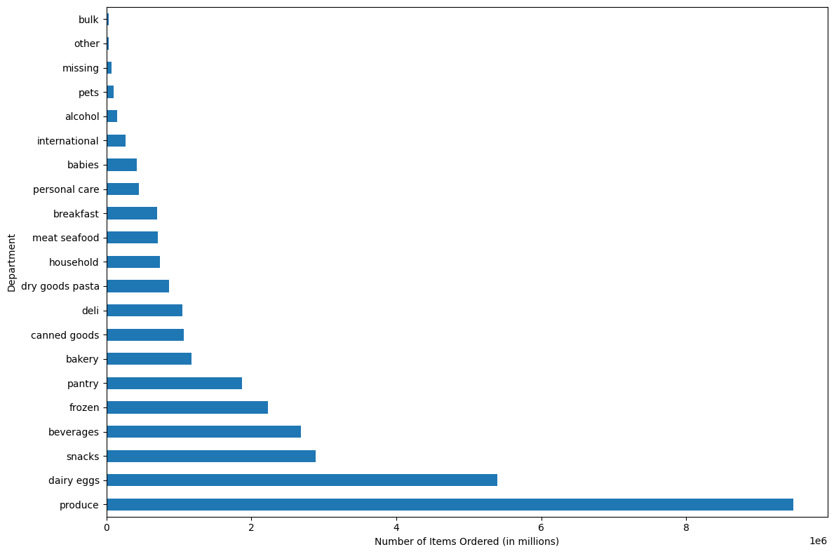

This bar chart represents the amount of products that are being bought from different departments.
Produce is the most popular followed by dairy/eggs.
Least popular are bulk and other.

5.1 What’s the distribution among users in regards to their brand loyalty (i.e., how often do they return to Instacart)?

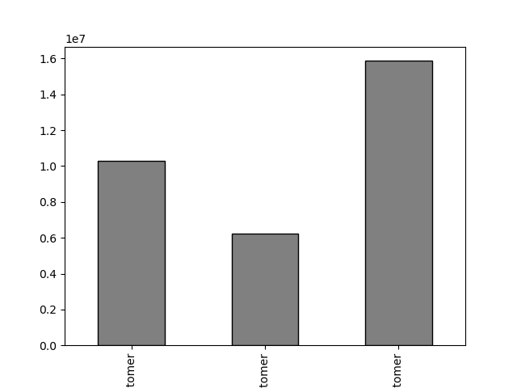

This bar chart represents number of customers who fall into one of the three categories:
1. Loyal customers - the one that have placed over 40 orders
2. New customers - the one that have placed 10 or fewer orders
3. Regular customers - the one that have placed between 10 and 40 orders
Regular customers are the most dominant share of our customer base. We do have many loyal customers as well.

Loyal
Customer
New
Customer
Regular
Customer

5.2. Are there differences in ordering habits based on a customer’s loyalty status?

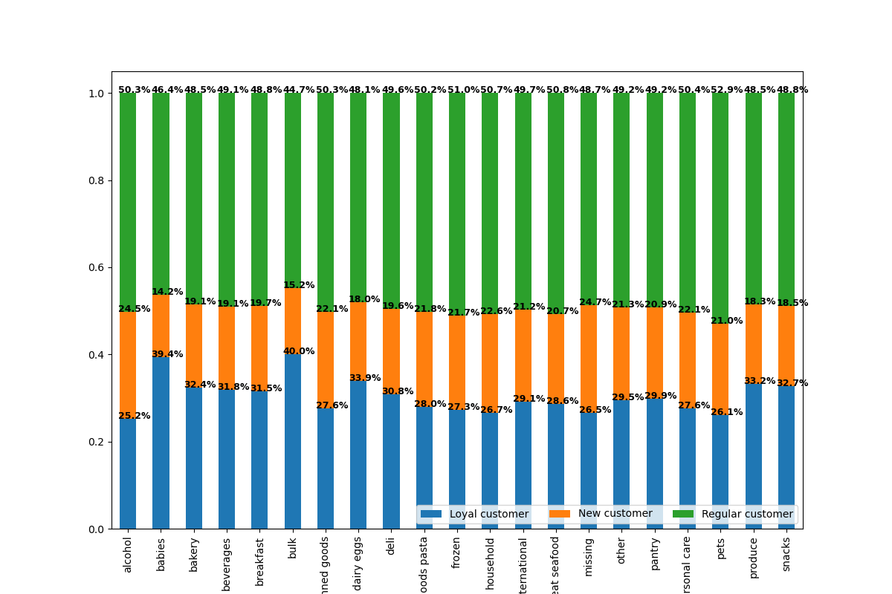

The stacked bar chart shows the percentage of total number of orders for each of the three customer groups.
The regular customers order the highest percentage of products compared to the other two groups.

The stacked bar chart shows the percentage of total number of orders for each of the three customer groups.
The Regular customers order the highest percentage of products from each of the different departments when compared to the other two groups.

5.3 Are there differences in ordering habits based on a customer’s region?

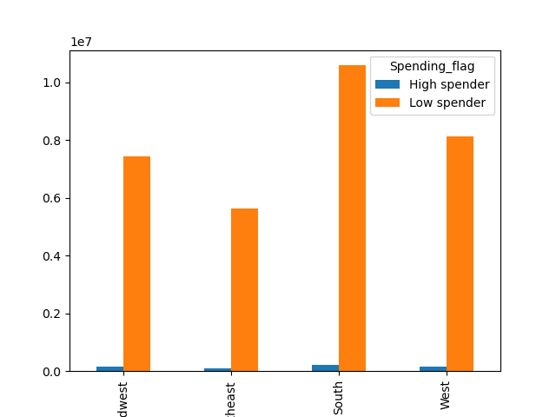
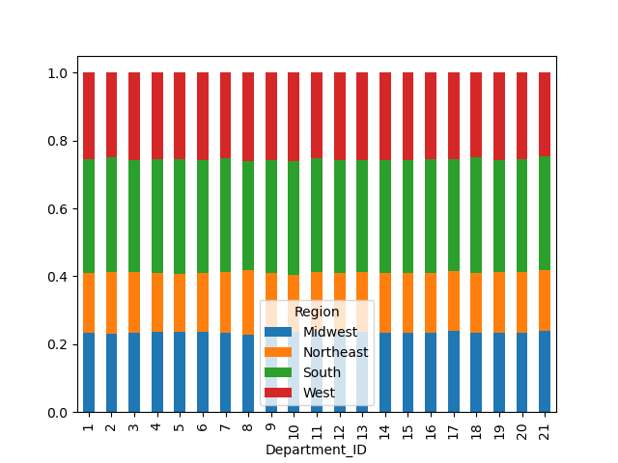

Midwest
Northeast
South
West

This stacked bar chart represents the relative amount of products ordered from different departments.
It can be observed that the pattern is consistent across all four regions.
This grouped bar chart represents the proportion of high and low spenders across all four regions.
High spenders are low across all regions. While there are greater proportions of low spenders in both the South and the West.

5.4 Is there a connection between age and family status in terms of ordering habits?

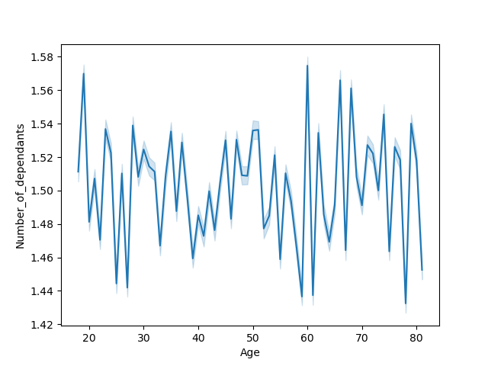


From this graph we can observe a connection between age and income.
It seems like the age groups of 20-40 have around the same range of income, with an increase at 40 that lasts through the 80s. The majority of individuals however make somewhere around 0 - 200,000. This can be used to identify how to price accordingly per market/audience.
The graph showes information about family situation through age groups.
There seems to be little to no connection between age and dependants. The 40s to 50s seems to be the most relatively stable group in terms of dependants when middle aged adults are reliably taking care of their children who are often college aged. The groups with the most volatility are the 20s, when individuals decide to have children and the 60s, where individuals are retiring and/or being taken care of themselves.

5.5 What different classifications does the demographic information suggest? Age? Income? Certain types of goods? Family status?

In general, our customers are generally those who do not drink, middle income (but low and high income are both apparent), are of all ages, do not pets or purchase pet products, buy meat products, and have dependants or children.

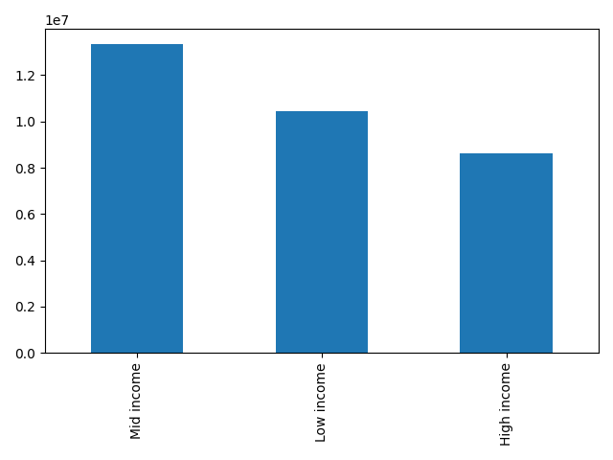
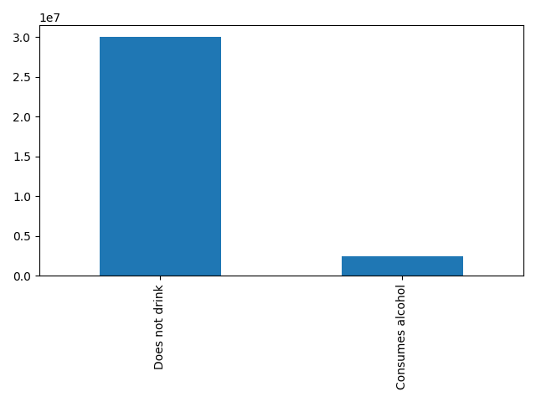

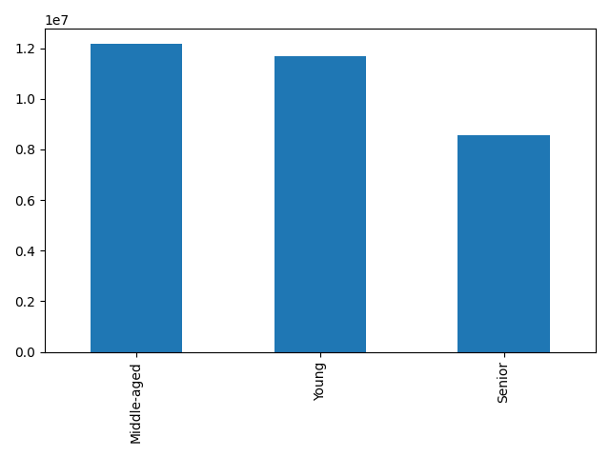
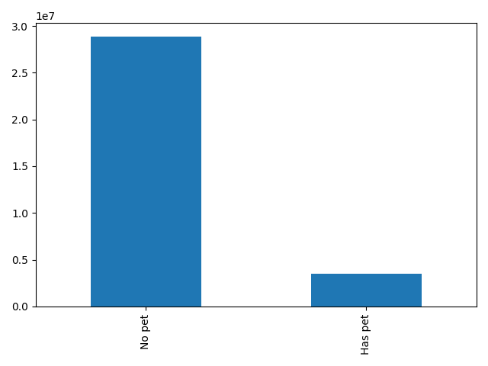

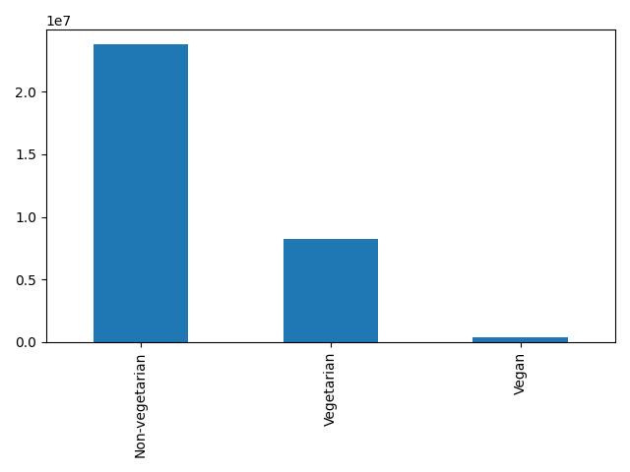
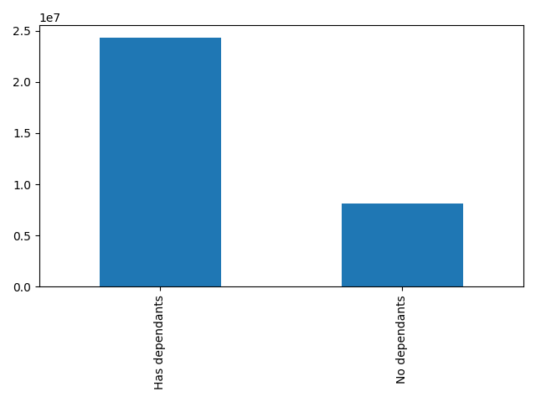

 | 5.6 What differences can you find in ordering habits of different customer profiles?

 | Differences in Profiles for different Regions
There seems to be little to no discrepancy per region when it comes to the different customer profiles. This means that our customers have similar backgrounds, habits in purchases, etc. regardless of what region they come from.

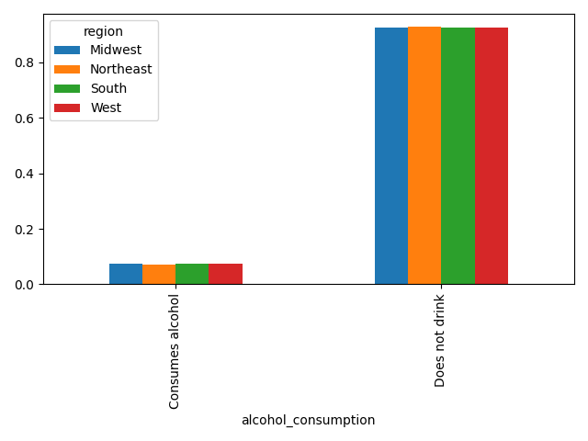
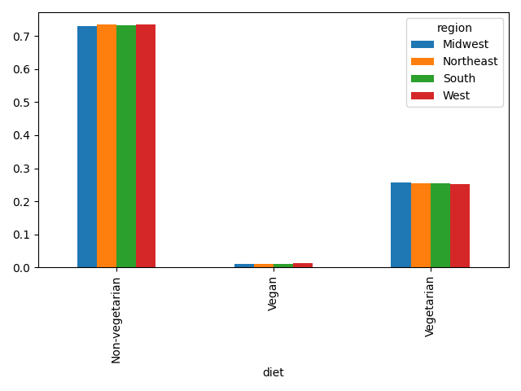

Older adult
Young adult
High-income
Low-income
Middle-income

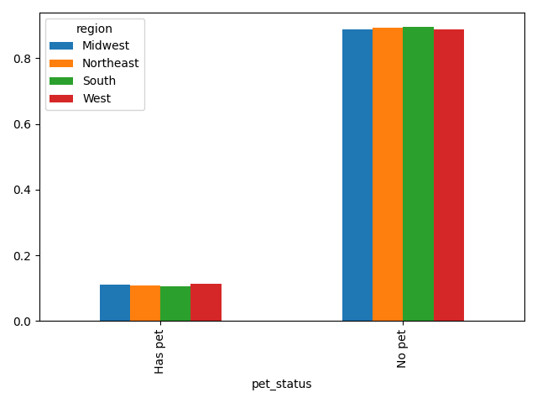
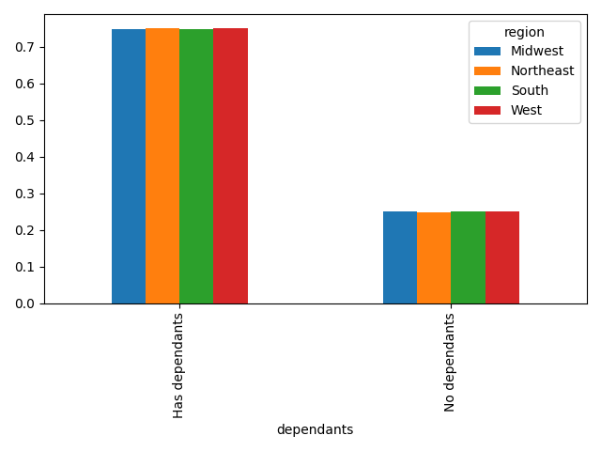

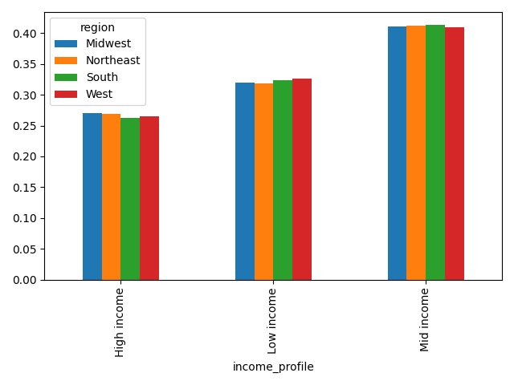
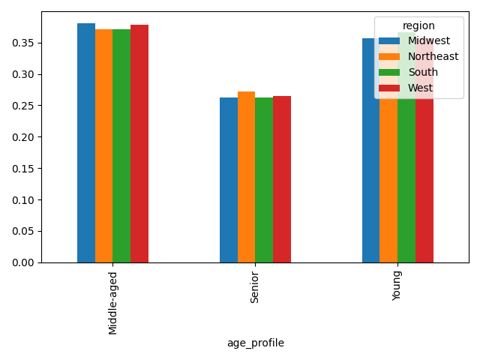

Adult

Differences in Profiles for different Departments

There is virtually no differences in profiles for purchases in different departments.

7. Recommendations
 |  |  |  |  | Title page

Recommendations

In this tab you should include any recommendations you would made to Instcart in terms of their marketing strategy based on the questions posed in the brief. Every key question has been covered in the Tasks of the Exercises - here you need to add an item - a visualisation or table/crosstable that is showing the answer in the data, acompanied by a comment from you. Please, list the questions below and add the answer underneath.

Key Questions:

1. What the busiest days of the week and hours of the day are?

The weekends are the busiest days.
Instacart should discount items or do flash sales on Tuesdays and Wednesdays, early in the morning to increase orders.
To increase revenue, Instacart should discounts on Tuesdays and Wednesdays between 6.00 PM to 8.00 AM , so as to increase the number of orders on least busy days as well as least busy hours

2. Are there particular times of the day when people spend the most money?

Instacart should offer free shipping during the early hour of the days to incentivize even more spending of money.
 |  |  | Recommendation: Instacart should run more high-priced products ads in the early morning from 4 am till 8 am.

3. Marketing and sales want to use simpler price range groupings to help direct their efforts.
Marketing and sales should advertise mid-range products since they are the most loved and capitalize to see the max output the could get for those stock.
High-range products are least ordered inidicating they are not marketed enough or that marketing values have failed in that direction.

4. Are there certain types of products that are more popular than others?
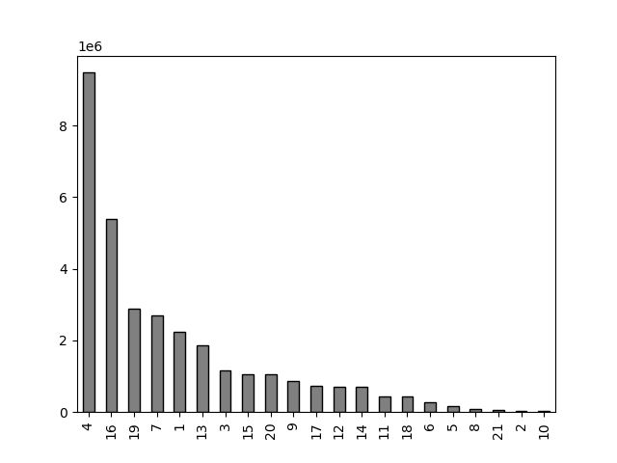

The produce is the most popular items. However, alcohol and pet items sales can be extremely lucrative categories and should be an easy pull to gain more income.
Perhaps, focus on the marketing efforts on these departments.

5.1 What’s the distribution among users in regards to their brand loyalty (i.e., how often do they return to Instacart)?

We have regular customers but they aren't loyal customers. We can aim to increase loyal customers so the ratio is one to one with regulars or greater. We could potentially create a loyalty program here with points and coupons.

Loyal
Customer
New
Customer
Regular
Customer

5.2. Are there differences in ordering habits based on a customer's loyalty status?

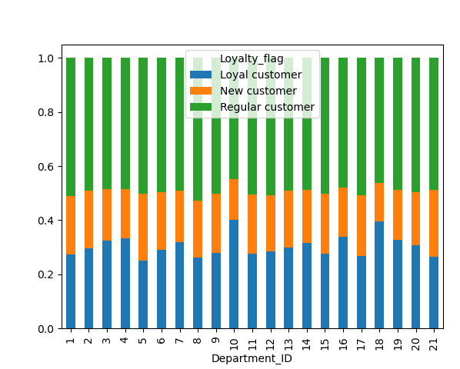

There is little difference on what type of customer orders from which department. Nothing should be done here, if anything, efforts should be redirected from marketing departments to increasing loyalty among customers.

5.3 Are there differences in ordering habits based on a customer’s region?

Midwest
Northeast
South
West

 | No impact here. Again, efforts should be redirected from regions to others efforts.

5.4 Is there a connection between age and family status in terms of ordering habits?

 |  | Recommendation: Income and dependants both seem to increase after 40. We could potentially market to their dependants hoping that they will use their providers' income.

5.5 What different classifications does the demographic information suggest? Age? Income? Certain types of goods? Family status?

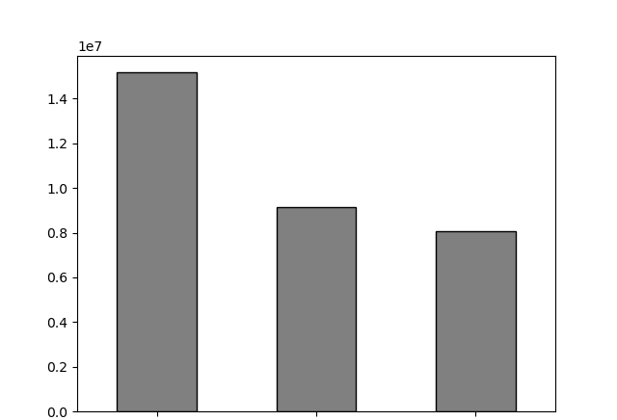
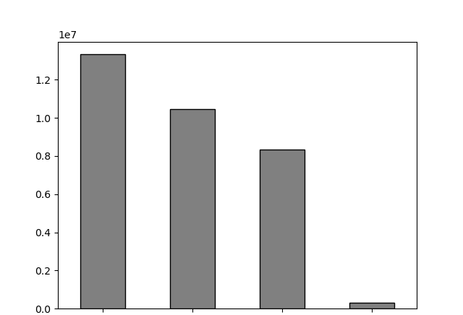

In general, our customers are generally those who do not drink, middle income (but low and high income are both apparent), are of all ages, do not pets or purchase pet products, buy meat products, and have dependants or children.
Based on ths information, we can focus our efforts by increasing rewards for these non=demographics to see if it increases our market base. What are we doing to bring this type of customer in? We need to further analyze what marketing choices we are making and see if there are ways we can expand. What do pet owners want to buy from us? What need should we look to fufilling for those who consumer alcohol? Free shipping perhaps to lure them in.

Adult
Young adult
Older adult
Middle income
Low income
High income
Very-high income

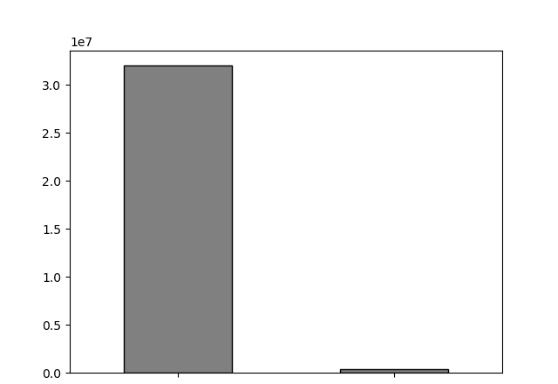
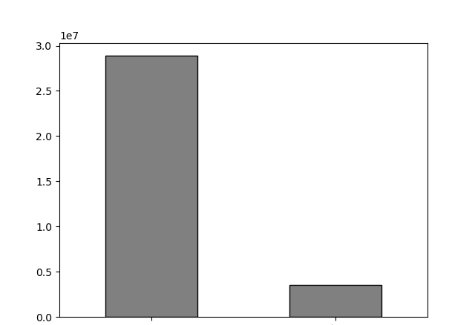

Pet owner
Non-vegan
Vegan
No - pet

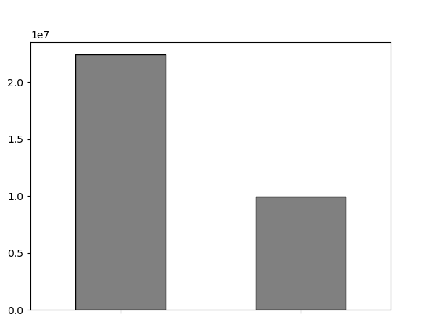

Not - young parent
Young parent

5.6 What differences can you find in ordering habits of different customer profiles?

There is no significant changes in the spending pattern across different regions.
Further research and other factors need to be analysed, in order to help Instacart find patterns in spending behaviors across regions.
 | Differences in Profiles for different Regions |  |  | * recommendation at the botom of this page!

Differences in Profiles for different Departments

 |  |  |  |  |  | Recommendation: The department type does little to convince of what we should spend money on, we should focus on efforts mentioned in other sections 1. rewarding loyal customers 2. expanding new customer basis, especially with pet owners and those who drink.

